Sheet1
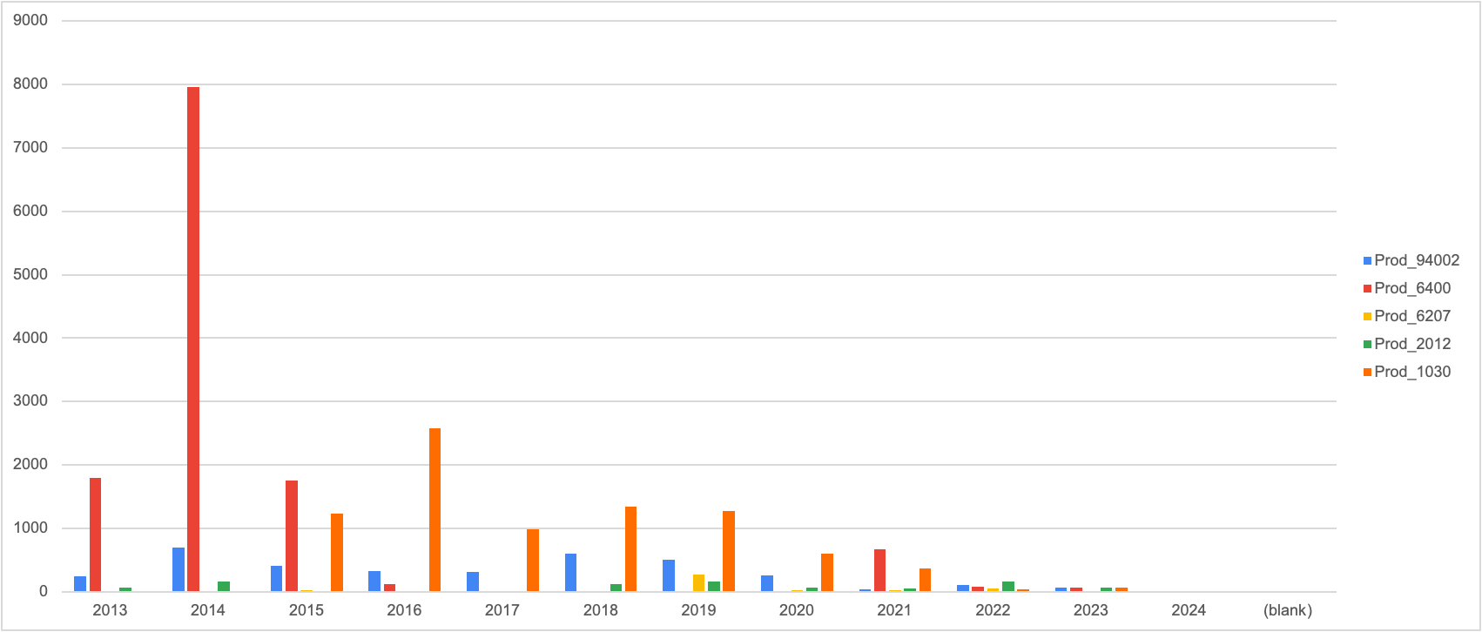
Were there any significant changes in purchasing habits of the customers over the years?
Over the years the total orders have seen a dip, they had a good peak during 2018 and 2021 , however as of now it has drastically drooped
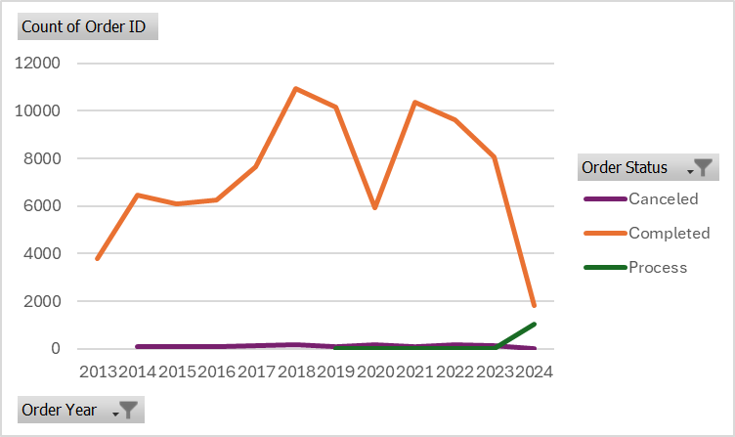

Maximum 11 countries placed ordered, which was in Year 2014 (our obervation also revaled that 96% of the business is coming from US. Later the # countries shipped decreased, but there is no significant impact observed in sales till 2017 - seems deliberately other countries were removed from the business due to less contribution in the business consistently.
In Year 2020, decrease in sales could be due to covid pandemic
Year 2023 has also not performed welll (need further investigation)
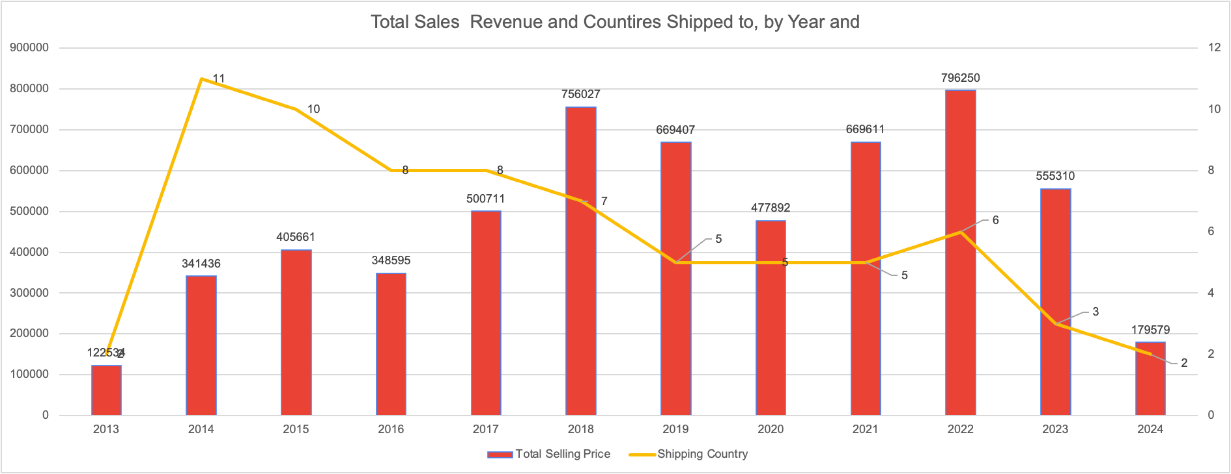

63% of all purchases occured from Mar to August
Customer Generally buy these products least in Nov, Dec and Jan Month

Product_1009 is the most selling product, top 16% porducts are being bought the most and contributing ~70% of the revenue

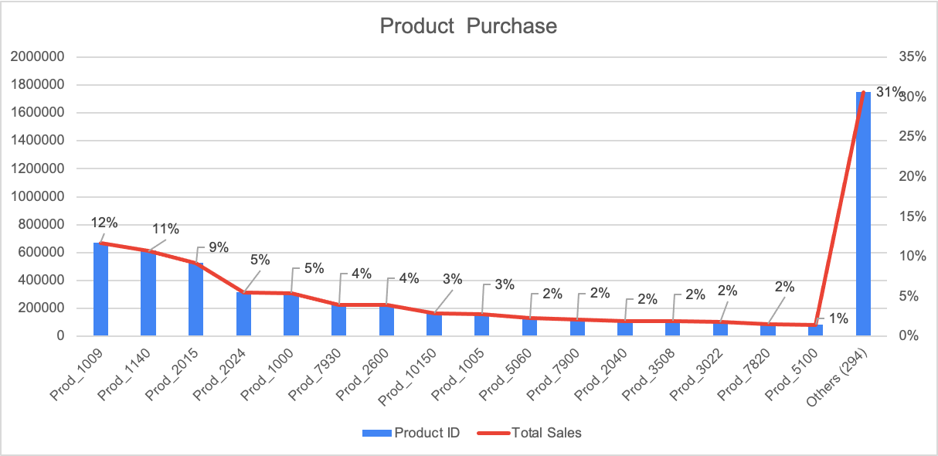

 |  |  |  |  |  |  | √

The most sellling product was Prod_1009 and increase during the winter and spring season post which it seems a slow down following the next two quarters
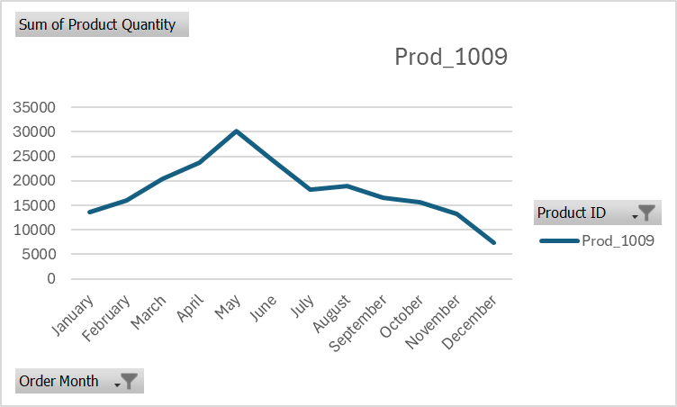

Product_1009 year wise sales data revealed that its sales decreasing very fast since 2022. As compared to 2018, this product is sold only ~15% so far. Considering the fact that sale of this items decreases after july - very little sale can be observed for this product in later 2 quarters.

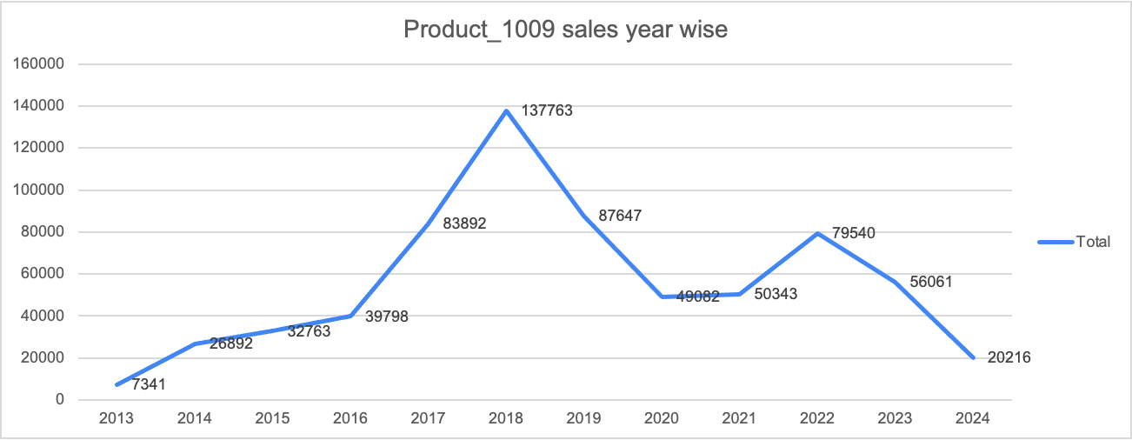

In 2024, Products -6207, 6400, 2012, 94002, 1030 had the lowest sales
Our further analysis revealed that these products sales have been decreasing since 2014, these products can be eleminated from the overall product line, else a marketing campaign should be introduced to push the sales of these items

 | Product ID | Order Month | Order Year | Shipping State | Company ID | Sum of Total Selling Price
 | Prod_6207 | April | 2024 | Michigan | Company_38375 | 3.5
 | Prod_6400 | April | 2024 | Ohio | Not Given | 2.95
 | Prod_6400 | May | 2024 | Utah | Not Given | 2.95
 | Prod_2012 | March | 2024 | Ohio | Not Given | 3
 | Prod_2012 | April | 2024 | Ohio | Not Given | 3
 | Prod_94002 | April | 2024 | Texas | Not Given | 7
 | Prod_1030 | February | 2024 | Massachusetts | Company_65927 | 5
 | Prod_1030 | April | 2024 | Georgia | Company_43754 | 5

 | Least Bought product Year wise analysis

